Secondary beams
Loading arrangement (floor)
LL | Floor load | 4
 | SUM | 4

DL (kN/m^2) | Tiles | 0.7
 | Slab
 | Steel | 0.3
 | Partitions | 1
 | Services | 1.4
 | Ceiling | 0.5
 | SUM | 3.9

Remember that tributary area may vary towards the edge columns
Assume : Edge secondary beam takes loads on area = area of full triangle - half the tributary triangle
Assume : Internal secondary beam takes loads on half the tributary triangle and half the rectangle

Load on secondary beam (Internal) |  |  | Load on secondary beam (External) |  |  | Loads on secondary beam (external slanted) |  |  | Load on secondary beam (Internal at slanted side)

Tributary Area Internal (Square) |  |  | Tributary Area Internal (Square) |  |  | Tributary Area Edge (Triangle) |  |  | Tributary Area Internal (triangle)
x | 4.25 | m | x | 2.75 | m | x | 3.75 | m | x | 3.75 | m
y | 13.5 | m | y | 13.5 | m | y | 13.5 | m | y | 13.5 | m
Area | 57.375 | m^2 | Area | 37.125 | m^2 | Area | 12.65625 | m^2 | Area | 12.65625 | m^2

Load combinations |  |  | Load combinations |  |  | Load combinations |  |  | Tributary Area Internal (Square)
Gk | 1.35 |  | Gk | 1.35 |  | Gk | 1.35 |  | x | 1.875 | m
Qk | 1.5 |  | Qk | 1.5 |  | Qk | 1.5 |  | y | 13.5 | m
Wk | 0.75 |  | Wk | 0.75 |  | Wk | 0.75 |  | Area | 25.3125
 |  |  |  |  |  |  |  |  | Load combinations
Load on secondary beam |  |  | Load on secondary beam |  |  | Load on secondary beam |  |  | Gk | 1.35
P | 646.329375 | kN | P | 418.213125 | kN | P | 142.57265625 | kN | Qk | 1.5
wk | 47.87625 | kN / m | wk | 30.97875 | kN / m | wk | 21.121875 | kN / m | Wk | 0.75
Mmax | 1090.6808203 | kN*m | Mmax | 705.73464844 | kN*m | Mmax | 481.18271484 | kN*m
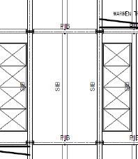
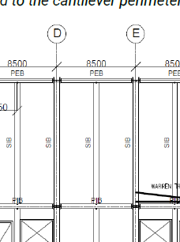
 |  |  |  |  |  |  |  |  | Load on secondary beam
 |  |  |  |  |  |  |  |  | P | 427.71796875 | kN
 |  |  |  |  |  |  |  |  | wk | 0 | kN / m
 |  |  |  |  |  |  |  |  | Mmax | 0 | kN*m

Primary beams - Columns
Change the internal secondary beam tributary area to get loadings on internal columns
Loading on internal columns
Load condition on Internal primary beams
Point load | 323.1646875 | kN

Beam properties
Length | 8.5 | m

Load on primary beam
Vmax | 323.1646875 | kN
Mmax | 1373.4499219 | kN*m

Load condition Internal columns
Load by secondary beam |  | 646.329375 | kN
Load by primary beam |  | 323.1646875 | kN
Total load |  | 969.4940625 | kN

Change internal secondary beam and external secondary beam tributary areas to get Loading on corner columns (straight edge)
Loading on Corner columns (straight edge)
Load condition on External primary beams
Point Load | 323.1646875 | kN

Load condition edge columns
Load by secondary beam | 209.1065625 | kN
Load by primary beam | 161.58234375 | kN
Total load | 370.68890625 | kN

Loading on Corner columns (slanted edge)
Load condition on External primary beams
Point Load | 213.85898437 | kN

Load condition edge columns
Load by secondary beam | 71.286328125 | kN
Load by primary beam | 106.92949219 | kN
Total load | 178.21582031 | kN

